Front
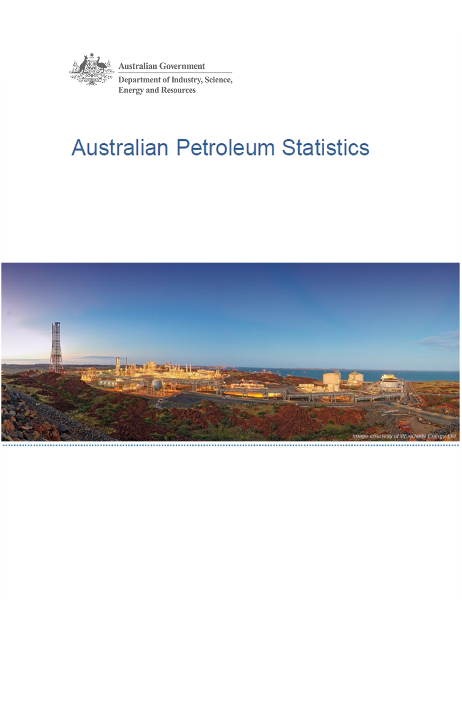

Issue 293, December 2020

https://www.energy.gov.au/government-priorities/energy-data/australian-petroleum-statistics

Figure 8B
Australian Petroleum Statistics

Figure 8B. Comparison of retail fuel prices and taxes in OECD countries - September Quarter 2020

Premium unleaded petrol
 | Price ex. tax | Total tax
United States | 74 | 21
Canada | 81 | 47
Turkey | 60 | 68
Chile | 64 | 68
Australia | 82 | 55
Poland | 70 | 92
Slovenia | 60 | 103
Czech Republic | 62 | 109
Hungary | 76 | 96
Austria | 63 | 110
Luxembourg | 75 | 103
Lithuania | 70 | 108
Latvia | 68 | 118
New Zealand | 90 | 99
Spain | 79 | 111
Slovak Republic | 75 | 116
Korea | 82 | 110
United Kingdom | 63 | 139
Estonia | 78 | 126
Ireland | 63 | 141
Germany | 75 | 136
Switzerland | 84 | 129
France | 68 | 149
Sweden | 74 | 150
Belgium | 89 | 137
Portugal | 75 | 152
Norway | 86 | 142
Italy | 69 | 160
Israel | 71 | 159
Finland | 67 | 167
Greece | 74 | 160
Denmark | 91 | 150
Netherlands | 83 | 172
Regular unleaded petrol
 | Price ex. tax | Total tax
United States | 60 | 21
Canada | 67 | 45
Australia | 70 | 53
Chile | 62 | 65
Korea | 58 | 102
New Zealand | 75 | 97
Austria | 63 | 110
Japan | 86 | 91
Automotive diesel
 | Price ex. tax | Total tax
United States | 68 | 22
Chile | 61 | 29
Canada | 65 | 39
New Zealand | 88 | 18
Turkey | 59 | 57
Australia | 65 | 53
Korea | 62 | 75
Japan | 95 | 56
Luxembourg | 75 | 80
Lithuania | 71 | 88
Poland | 76 | 84
Slovenia | 63 | 100
Estonia | 75 | 88
Austria | 72 | 95
Czech Republic | 72 | 97
Latvia | 70 | 100
Slovak Republic | 82 | 88
Spain | 80 | 92
Hungary | 80 | 94
Germany | 79 | 101
Greece | 85 | 103
Ireland | 71 | 119
Denmark | 85 | 110
Netherlands | 82 | 114
Portugal | 80 | 121
France | 69 | 132
Finland | 70 | 134
Italy | 70 | 139
United Kingdom | 70 | 141
Norway | 92 | 120
Sweden | 101 | 118
Belgium | 84 | 137
Switzerland | 93 | 135
Israel | 86 | 155
Automotive LPG
 | Price ex. tax | Total tax
Slovak Republic | 43 | 26
Australia | 50 | 20
Luxembourg | 55 | 15
Belgium | 61 | 13
Poland | 43 | 31
Czech Republic | 50 | 26
Latvia | 42 | 41
Lithuania | 44 | 41
Korea | 56 | 34
Canada | 76 | 17
Germany | 64 | 29
Estonia | 46 | 47
Slovenia | 59 | 36
Netherlands | 49 | 47
Italy | 55 | 41
Portugal | 58 | 47
Turkey | 73 | 33
Spain | 83 | 25
Hungary | 69 | 39
Japan | 88 | 23
France | 96 | 43

